Inequalities Data
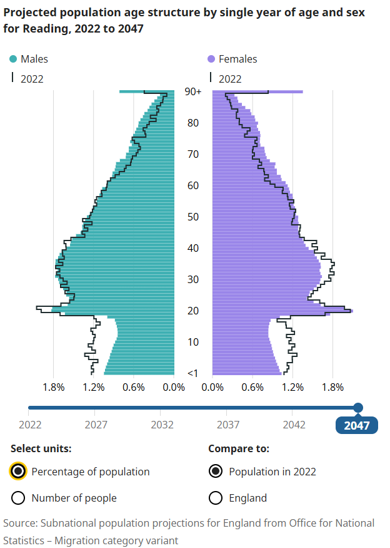
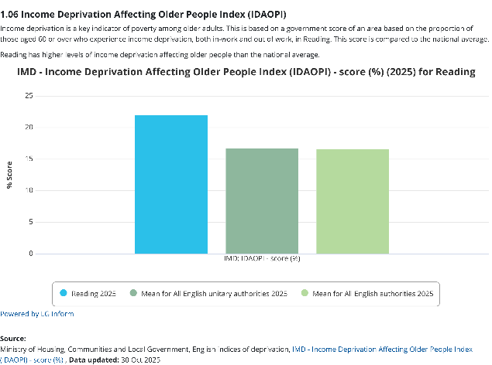
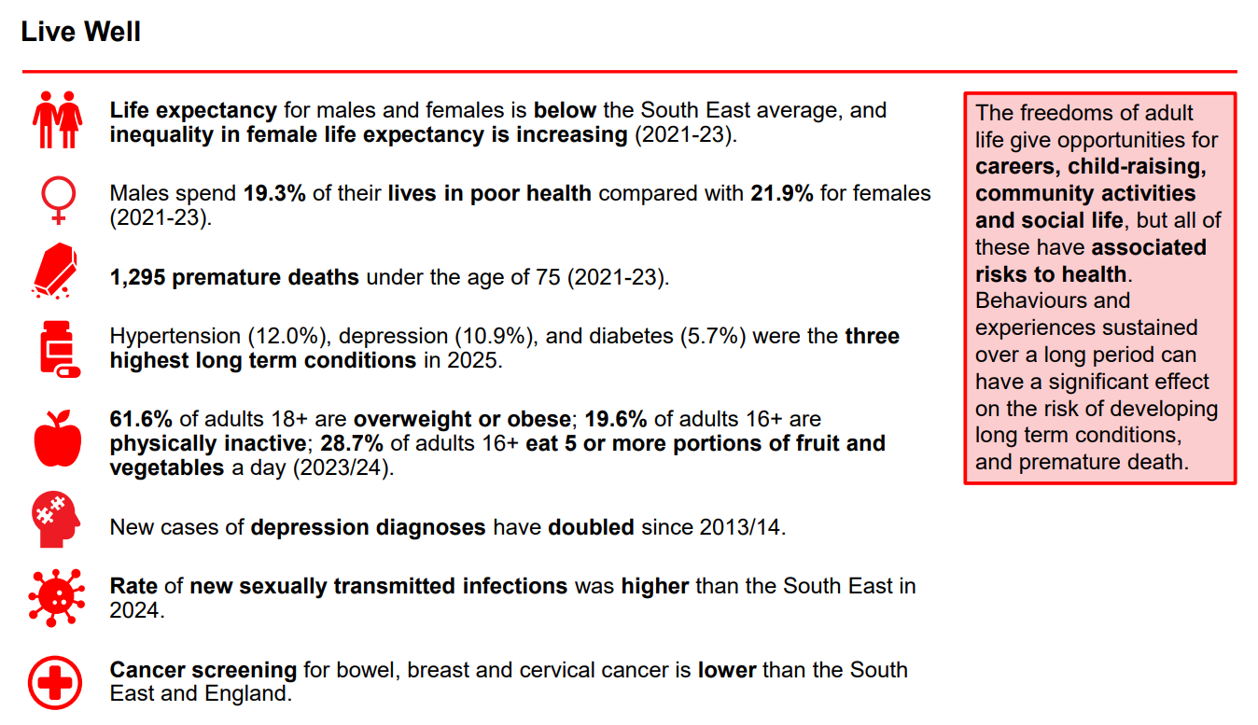
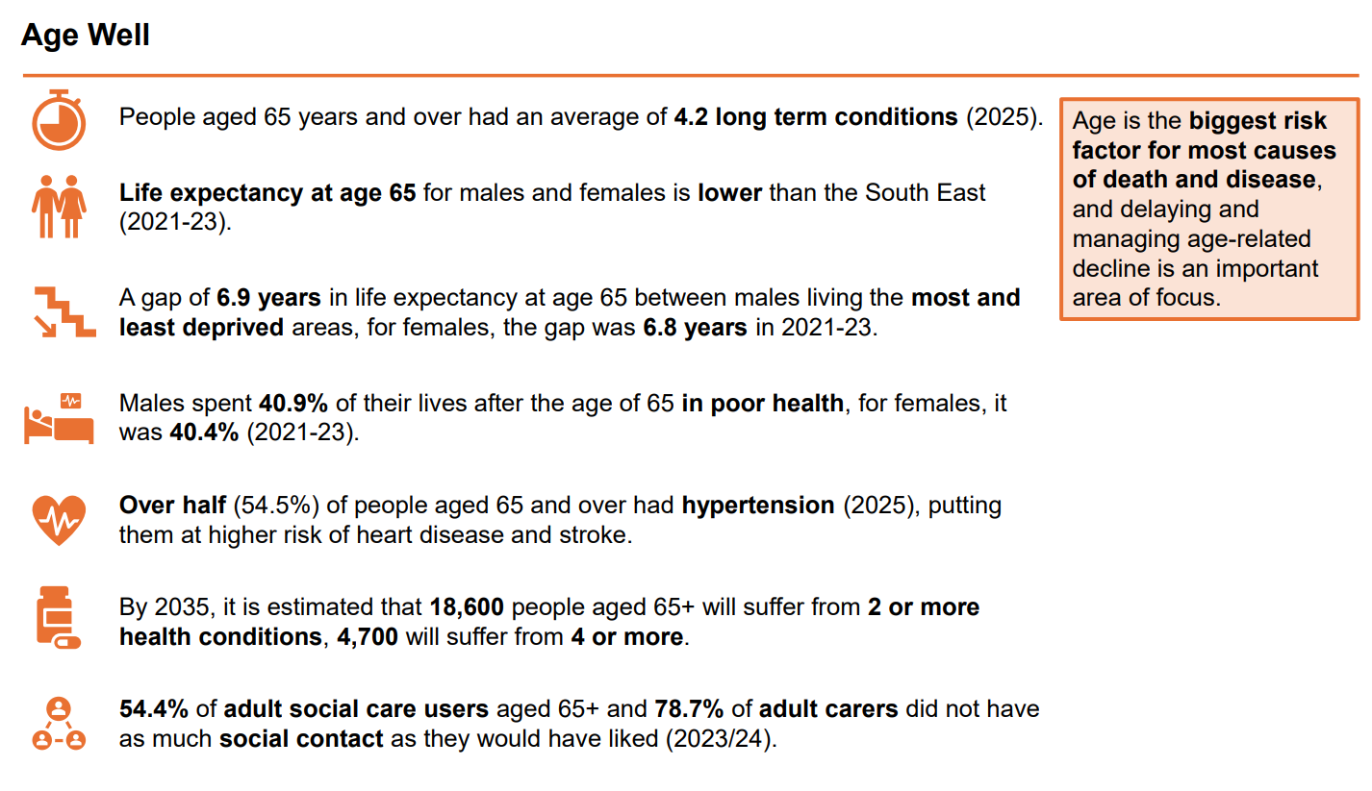
 | https://reading.berkshireobservatory.co.uk/
Source: English Indices of Deprivation 2025
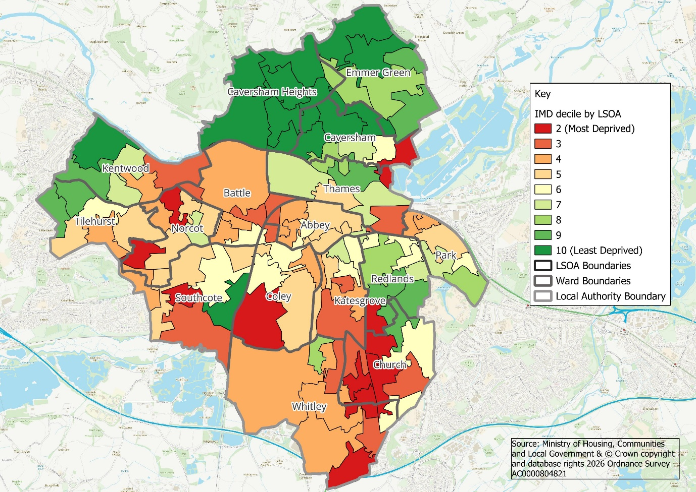
Note: LSOAs can cut across ward boundaries, and these are wards with LSOAs in 20% most deprived (Caversham, Church, Coley, Norcot, Redlands, Southcote, Thames, Tilehurst, Whitley)

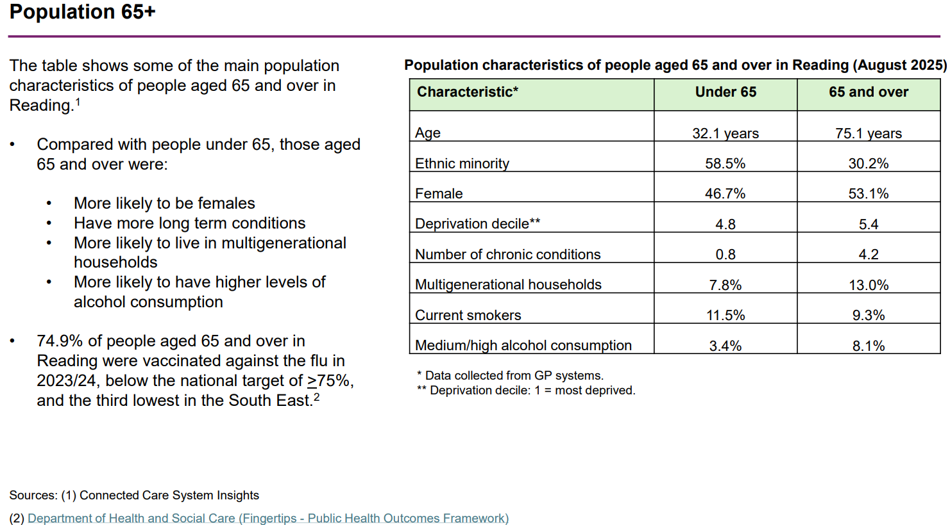
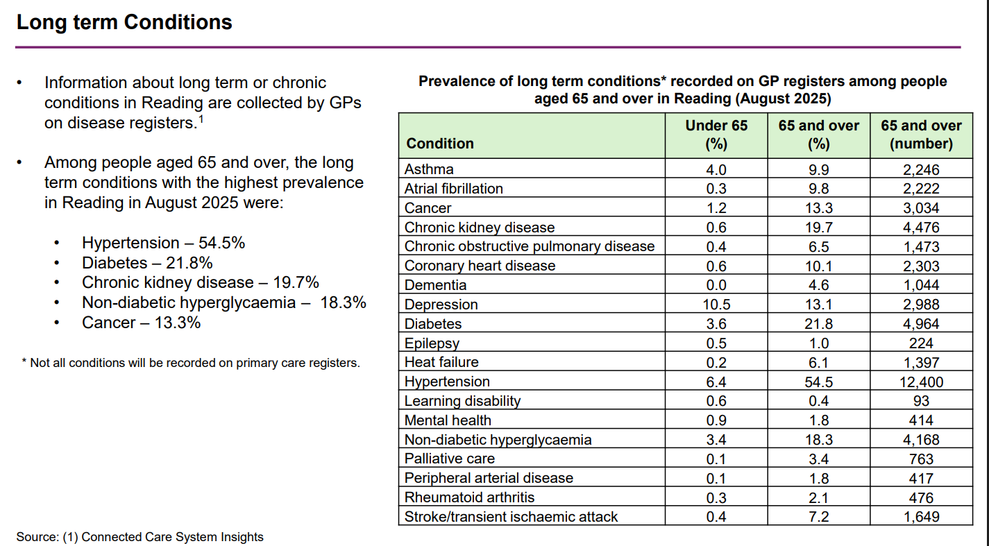

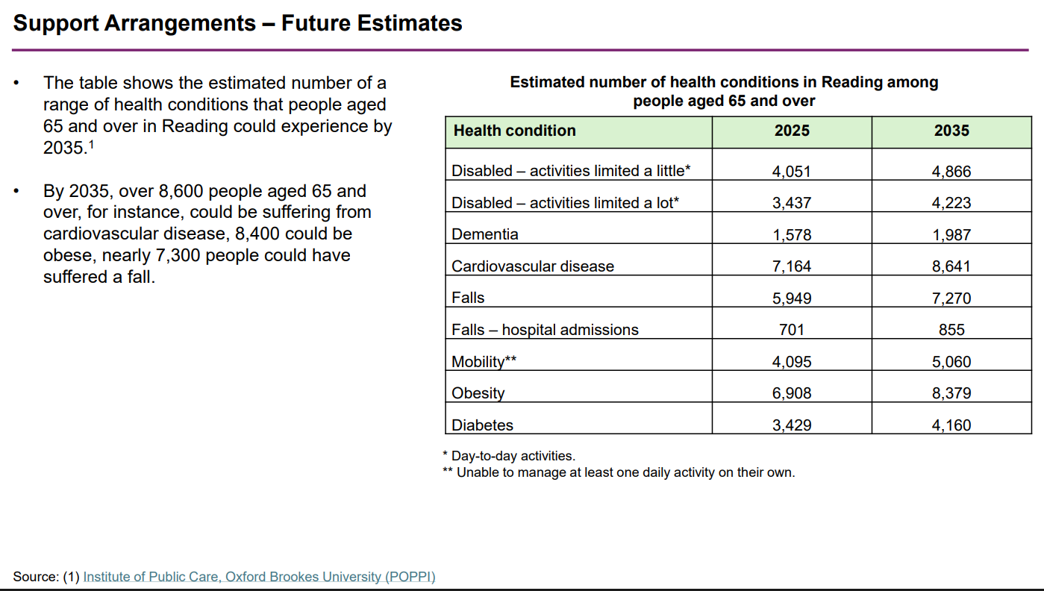
 |  | In Reading, older people are more likely to face poverty compared to the national average. Figure 2 shows the Income Deprivation Affecting Older People Index (IDAOPI) score for Reading, which is 5.3% higher than the national median average. Reading has the 12th highest score across all English unitary authorities (LG Inform, 2025). This is further supported by the proportion of adults, aged 65 and over, in Reading who receive pension credit, a benefit aimed at low-income pensioners. The latest figures for 2025/26 Q2 show 13.6% of Reading’s over 65 population receive pension credit, compared to 10.7% of England’s over 65 population (LG Inform, 2025b)

 |  | Figure 1 (LG Inform and Centre) | Figure 2 (LG Inform and Centre for Ageing Better, 2025)

